Hygiene and Cleanliness
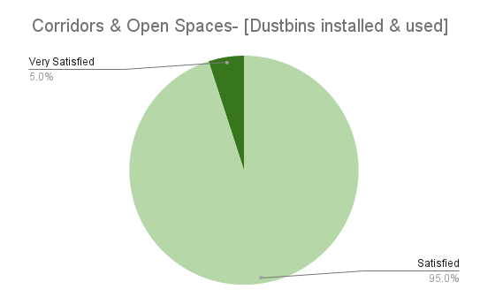
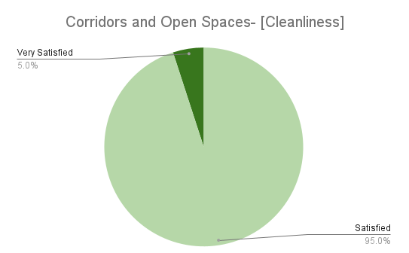
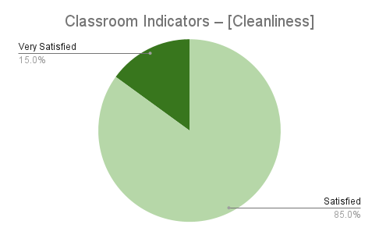
Name of School/Centre | Classroom Indicators – Rate your observation [Cleanliness] | Corridors and Open Spaces- Rate your observation [Dustbins installed and used] | Corridors and Open Spaces- Rate your observation [Cleanliness] | Overall Cleanliness
School on wheels | Satisfied | Satisfied | Satisfied
Gitanjali Shikaniketan | Satisfied | Satisfied | Satisfied
Amita Vidyaniketan | Satisfied | Satisfied | Satisfied
Babuijore Vivekananda Sishu Niketan | Satisfied | Satisfied | Satisfied
Nabasan Vivekananda Vidyaniketan | Satisfied | Satisfied | Satisfied
Ananda Dhara Sishu Niketan | Satisfied | Satisfied | Satisfied
Nripendranath Sow | Satisfied | Satisfied | Satisfied
Satyananda Sishu Bharati | Satisfied | Satisfied | Satisfied
Khayrasole Sishu Bharati Vidyamandir | Very Satisfied | Satisfied | Satisfied
Barhra Sishu Sathi Vidyaniketan | Satisfied | Satisfied | Satisfied
Kidz Planet Learning Centre | Satisfied | Satisfied | Satisfied
Banku Bihari Memorial School | Very Satisfied | Very Satisfied | Very Satisfied
Rajeswari Vidya Mandir | Satisfied | Satisfied | Satisfied
Sishu Sadan High School | Satisfied | Satisfied | Satisfied
Learn India Public School | Satisfied | Satisfied | Satisfied
School On Wheels | Satisfied | Satisfied | Satisfied
Rural School Mallikpur | Satisfied | Satisfied | Satisfied
Nabaday sishu bharati vidyalay | Satisfied | Satisfied | Satisfied
Monipur leprosy rehabilitation girls cottage | Very Satisfied | Satisfied | Satisfied
Monipur leprosy rehabilitation boys cottage | Satisfied | Satisfied | Satisfied

Sheet4
 | Classroom Observation | Corridors and Open Spaces | Teacher Update | Interaction with Students | Manual-based Curriculum Activities
Very Satisfied | 1 | 3 | 2 | 4 | 0
Satisfied | 9 | 9 | 8 | 9 | 8
Not Satisfied | 8 | 6 | 8 | 5 | 11

Satisfaction Level | Classroom Observation | Corridors and Open Spaces | Teacher Update | Interaction with Students | Manual-based Curriculum Activities
Very Satisfied | 6% | 17% | 11% | 22% | 0%
Satisfied | 50% | 50% | 44% | 50% | 42%
Not Satisfied | 44% | 33% | 44% | 28% | 58%

Average Satisfaction Score

